page 1
Journal of Process Control 24 (2014) 344–357
j ournal homepage: www.elsevier.com/locate/jprocont
Journal of Process Control
Contents lists available at ScienceDirect
Glucose concentration control of a fed-batch mammalian cell bioprocess using a nonlinear model predictive controller Stephen Cravena, Jessica Whelana, Brian Glennonb,∗ a Applied Process Company (APC) Ltd, NovaUCD, Belfield Innovation Park, Dublin 4, Ireland b School of Chemical & Bioprocess Engineering, University College Dublin, Belfield, Dublin 4, Ireland

a r t i c l e i n f o |  |  |  |  |  |  |  |  |  |  |  |  |  | a b s t r a c t

Article history: Received 28 February 2013 Received in revised form 10 February 2014 Accepted 11 February 2014 Available online 21 March 2014 Keywords: Simulation Real-time implementation Nonlinear model predictive control Performance indices Bioprocess model |  |  |  |  |  |  |  |  |  |  |  |  |  |  | A non-linear model predictive controller (NMPC) was investigated as a route to delivering improved product quality, batch to batch reproducibility and significant cost reductions by providing a means for better controlling the bioreactor environment in a Chinese hamster ovary (CHO) mammalian cell fed-batch process. A nonlinear fundamental bioprocess model was developed to represent the CHO mammalian cell fed- batch bioprocess under study. This developed nonlinear model aided in the configuration and tuning of a NMPC through off-line simulation. The tuned NMPC was applied to a 15 L pilot-plant bioreactor for glucose concentration fixed set-point control. Traditionally, bioprocesses are characterized by long critical process parameter (CPP) measurement intervals (24 h). However, advances in PAT have helped increase CPP measurement frequency. An in situ Kaiser RXN2 Raman spectroscopy instrument was used to monitor the glucose concentration at 6 min intervals. Glucose concentration control of a bioreactor is not a trivial task due to high process variability, mea- surement noise and long measurement intervals. Nevertheless, NMPC proved successful in achieving closed loop fixed set-point control in the presence of these common bioprocess operation attributes. © 2014 Elsevier Ltd. All rights reserved.

1. Introduction The biopharmaceutical sector represents a significant and grow- ing division of the general pharmaceutical industry. The number of biopharmaceuticals currently on the market is just in excess of 200 and in 2009, they generated $99 billion in sales. The market is predicted to grow between 7 and 15% annually over the next sev- eral years and by 2013, four of the five top-selling drugs will be protein-based products [1]. The control of bioprocesses is in its infancy in comparison to the chemical and traditional pharmaceutical sectors. This is due in part to the challenges associated with bioreactor control: poor process understanding, the lack of measurement of relevant process param- eters and difficulties inherent in controlling bioprocesses which are dynamic, complex and non-linear. Process control of bioreactors seeks to influence the complex intracellular reactions of billions of cells by controlling their extracellular environment [2]. Historically it has been observed that mammalian cell num- bers and total protein productivity can be dramatically increased ∗ Corresponding author. Tel.: +353 1 716 1954; fax: +353 1 716 1177. E-mail addresses: stephen.craven@approcess.com (S. Craven), brian.glennon@ucd.ie (B. Glennon). |  |  |  |  |  |  |  |  |  |  |  |  |  |  |  |  |  |  |  |  |  |  |  |  |  |  | with lowered process concentrations of the byproducts associated with mammalian cell metabolism. The main byproducts of mam- malian cell metabolism are lactate and ammonia which result from glucose and glutamine consumption, respectively. Controlling the glucose and glutamine concentrations in a bioreactor to reduced levels forces a metabolic shift, which results in cells becoming much more efficient in their use of the available nutrients [3,4]. Current industrial control of nutrient levels is predominately manual. Bolus feeds are generally introduced at 24 h intervals based on off-line analysis of daily process samples and a priori process knowledge [5,6]. However, these feeding strategies are labor inten- sive involving sampling, recalculation, and manual adjustments. To reduce batch variation and improve process economics, many biopharmaceutical manufacturers aim to move beyond today’s “quality-by-inspection” methodology and adopting qual- ity by design (QbD) methods under the FDA’s process analytical technologies (PAT) initiative. These methods center on measuring critical quality attributes and critical process parameters during processing. Application of the latest sensor technologies such as mass and Raman spectroscopy enables cell characteristics as well as substrate and metabolic byproduct concentrations to be mea- sured online or at-line in a bioreactor [7]. Timely availability of such data helps improve the operators’ knowledge of the biopro- cess and thus enhances model development and the creation of

http://dx.doi.org/10.1016/j.jprocont.2014.02.007 0959-1524/© 2014 Elsevier Ltd. All rights reserved.
S. Craven et al. / Journal of Process Control 24 (2014) 344–357 345

Nomenclature A ammonia concentration (mM) Ci inhibitor concentration (mM) Ci* inhibitor saturation concentration (mM) d magnitude of process-model mismatch (mM) e error between process variable and set-point (mM) F feed-rate (L h−1) G glucose concentration (mM) k sample interval (h) kd,Q degree of degradation of glutamine (h−1) KL lactate saturation constant (mM) KA ammonia saturation constant (mM) KG glucose saturation constant (mM) KQ glutamine saturation constant (mM) kd death rate (h−1) kd,max maximum death rate (h−1) k! intrinsic death rate (h−1) KLYSIS rate of cell lysis (h−1) L lactate concentration (mM) mG glucose maintenance coefficient (mmol cell−1 h−1) mQ glutamine maintenance coefficient (mmol cell−1 h−1) M control horizon P prediction horizon Q glutamine concentration (mM) qi specific inhibitor production rate (h−1) SG glucose concentration in the feed (mM) SQ glutamine concentration in the feed (mM) u control action (L h−1) V volume (L) XT total cell density (cells L−1) XD dead cell density (cells L−1) XV viable cell density (cells L−1) y process variable (mM) ysp set-point (mM) yˆ model predictions (mM) YA,Q yield of ammonia from glutamine YL,G yield of lactate from glucose YX,G yield of cells from glucose (cells mmol−1) YX,Q yield of cells from glutamine (cells mmol−1) Greek symbols " diagonal elements of output weight matrix # diagonal elements of input weig |  |  |  |  |  |  |  |  |  |  |  |  |  |  |  |  |  |  |  |  |  |  |  |  |  | Biomedical, UK) where cultures were fed to maintain a target glu- cose level by using an on-line feedback calculation. Lee et al. [9] used a low-glutamine fed-batch feedback control- loop process in attempting to control ammonia and lactate for a 293-HEK mammalian cell bioprocess for adenovirus production .The control algorithm consisted of a simple on-line calculation. Controlling glutamine levels at 0.1 mM, with no other modifications improved cell density and gave a 10-fold improvement in virus titer. Li et al. [10] controlled glucose at 0.3 mM and glutamine at 0.5 mM via an online closed loop feeding calculation, which related to ammonia and lactate levels decreasing by 74% and 63%, respec- tively. Their cultures extended from eight to 14 days, with a 1.7-fold increase in monoclonal antibody (MAb) titers. Bioprocesses are inherently nonlinear and are traditionally asso- ciated with long nutrient concentration measurement intervals. Furthermore in a PAT environment, where the nutrient con- centration is determined online via a spectroscopic technique, measurement noise is prevalent. The aforementioned closed-loop control strategies, based on simple online calculations of the con- troller output may not be advantageous or optimal for the nutrient concentration control of bioprocesses portraying such attributes. In this study, nutrient concentration control was accomplished through the application of a model predictive controller (MPC). Model predictive control, also referred to as receding horizon con- trol and moving horizon optimal control, has been widely adopted in industry [11–15] and is currently the most widely used of all model-based advanced control methodologies for industrial appli- cations. Qin and Badgwell [16] presented a survey of industrial model predictive control technology. Originally developed to meet the needs of power plants and petroleum refineries, MPC tech- nology can now be found in a wide range of application areas, including c

346 S. Craven et al. / Journal of Process Control 24 (2014) 344–357
identification of a suitable nonlinear model. Nonlinear models can be developed in various forms. Empirical approaches range from high-order polynomials and neural networks to piecewise linear models. Mechanistic models are also available from engineering first principles such as mass balances and rate equations. Nonlinear data-based empirical models require much more data and compu- tational effort to train than linear models. Developing data-based models also requires cooperation with the operating plant to per- form tests with enough excitation to reveal the dynamics of the systems of interest at each operating point. Such cooperation may not be forthcoming if the plant is already operational, as testing may interfere with daily operations to the detriment of product quality. The inevitable downtime which testing involves may also prove excessively costly to plant operations. Nevertheless, most of the non-linear MPC strategies have been based on the use of data- based nonlinear neural network models [29]. However, Qin and Badgwell [12] stated that due to the difficulty in data-based mod- eling of nonlinear processes, first principles models will become necessary in practice. NMPC has unique traits that are not seen with LMPC. In the case of LMPC, the solution of the optimal control problem can be cast as the solution of a convex (quadratic) program and can be solved easily on-line at each sample time. Due to the nonlinear model, the NMPC calculation usually involves a non-convex, non- linear optimization problem, for which the numerical solution is very challenging and computationally expensive. This is one of the many reasons why LMPC is more dominant than NMPC in indus- try. The non-convexity of the NMPC optimization problem can be problematic and result in multiple local minima or maxima which are not optimal. This phenomenon is unique to NMPC and can lead to undesirable controller performance. Performance degra- dation due to the presence of non-globally o |  |  |  |  |  |  |  |  |  |  |  |  |  |  |  |  |  |  |  |  |  |  |  |  |  |  | studies for real-time control of the glucose concentration in a 15 L bioreactor to a defined set-point of 11 mM. The first case study mimicked the classical non-PAT enabled environment where the nutrient concentration is measured offline or at-line over long mea- surement intervals. Finally, in the second case study an NMPC was developed and implemented to allow for the closed loop feedback control of the bioreactor glucose concentration in the presence of process-model mismatch resulting from bioprocess variability and measurement noise which is inherent with on-line spectroscopic techniques. 2. Materials and methods 2.1. Bioprocess operation Experiments were conducted on a 15 L pilot scale bioreactor (Applikon Biotechnology, Ltd., Netherlands). The cell line used in this study was a suspension-adapted CHO 320 cell line bear- ing the recombinant interferon gamma (IFN-!) gene, which was sourced from the Animal Cell Culture Technology Group (ACTG), University College Dublin (UCD), Ireland. The cells were grown in glucose-free Ex-Cell serum-free medium (Sigma–Aldrich) which was supplemented with glutamine and glucose to 4 mM and 20 mM, respectively. Pluronic F68 (0.1%, v/v), 1 "M methotrexate (MTX), antifoam C (5 ppm) and 10 mL/L of penicillin–streptomycin were also added. The pH, dissolved oxygen (DO), temperature and agitation were controlled at constant values of 7.2, 50% of air saturation, 37 ◦C and 120 rpm, respectively. 1 M NaOH and CO2 gas were used to con- trol pH. DO was controlled using air and oxygen supplied via a sparger. The oxygenation level in the bioreactor determined the supply of air and oxygen for DO control. Initially, the air flow-rate was increased to bring the DO to its required set-point of 50%. Once the air flow-rate reached its maximum value, oxygen was uti- lized as a controller output for DO control. The substrates (glucose and glutamine) and by-products (lactate and ammonia) were mea- sured online with Raman spectrosc

S. Craven et al. / Journal of Process Control 24 (2014) 344–357 347
Table 1 Model parameters. Parameter Unit Value kd,Q a h−1 0.001 |  |  |  |  |  |  |  |  |  |  |  |  |  |  |  |  |  |  |  |  |  |  |  |  |  |  | The model parameters were determined either experimentally or fitted using the differential evolution (DE) technique [33] with constraints set based on a literature survey. Table 1 presents the model parameter values for this system. This nonlinear model was

mG a |  |  |  | mmol cell−1 h−1 |  |  |  |  |  |  |  |  |  |  |  |  |  |  |  | 1.4 × 10−10 |  |  |  |  |  | built to represent the growth and metabolism of the CHO mam-
YA,Q b |  |  |  | – |  |  |  |  |  |  |  |  |  |  |  |  |  |  |  | 0.90 |  |  |  |  |  | malian cell fed-batch bioprocess for which nonlinearity is inherent.
YL,G b |  |  |  | – cells mmol−1 |  |  |  |  |  |  |  |  |  |  |  |  |  |  |  | 2.0 |  |  |  |  |  | Full details of this first principle engineering model (Monod-type
YX,Q b |  |  |  | cells mmol−1 |  |  |  |  |  |  |  |  |  |  |  |  |  |  |  | 1.3 × 109 |  |  |  |  |  | kinetics) and its associated parameter estimation are described in
KL a |  |  |  | mM |  |  |  |  |  |  |  |  |  |  |  |  |  |  |  | 150 |  |  |  |  |  | [34]. This model was used within the process simulator and within
KA a |  |  |  | mM |  |  |  |  |  |  |  |  |  |  |  |  |  |  |  | 40 |  |  |  |  |  | the NMPC framework.
kd,maxb |  |  |  | h−1 |  |  |  |  |  |  |  |  |  |  |  |  |  |  |  | 0.01
!maxb |  |  |  | h−1 |  |  |  |  |  |  |  |  |  |  |  |  |  |  |  | 0.048
KG a |  |  |  | mM |  |  |  |  |  |  |  |  |  |  |  |  |  |  |  | 1.0 |  |  |  |  |  | 2.3. NMPC development
KQ a |  |  |  | mM |  |  |  |  |  |  |  |  |  |  |  |  |  |  |  | 0.22
mQ a |  |  |  | mmol cell−1 h−1 |  |  |  |  |  |  |  |  |  |  |  |  |  |  |  | 7.0 × 10−12 |  |  |  |  |  | The NMPC strategies were configured in the MATLAB 7.11.0
KLYSISa |  |  |  | h−1 |  |  |  |  |  |  |  |  |  |  |  |  |  |  |  | 0 |  |  |  |  |  | (R2010b) environment. The NMPC configuration was coded with-
Ci* a |  |  |  | mM |  |  |  |  |  |  |  |  |  |  |  |  |  |  |  | 100 |  |  |  |  |  | out the use of the MATLAB MPC toolbox. A block diagram for the
YX,G b |  |  |  |  |  |  |  |  |  |  |  | 1.70 × 108

k(!a h−1 0.01
qi a mmol cell−1 h−1 3.5 × 10−10 a Fitted model parameter. b Experimentally determined model parameter dependent on the growth (!) and death rate (kd) of the bioprocess mammalian cell line (Eqs. (9) and (10)): |  |  |  |  |  |  |  |  |  |  |  |  |  |  |  |  |  |  |  |  |  |  |  |  |  |  | NMPC implementation is shown in Fig. 1. The NMPC was used to control the glucose bioreactor concentration using a nonlin- ear dynamic model of the bioprocess (Eqs. (1)–(8)). The nonlinear model had the following form: x˙ = f (x, u) y = g(x) (11) where x is a vector of states, u is the vector of manipulated inputs

dXT dt = !XV , −KLYSISXD − XT |  |  |  |  |  |  |  |  |  | ! F " V |  |  |  |  |  |  |  |  |  |  | (1) |  |  |  |  |  | and y is a vector of outputs. Integration of the model from time step k − 1 to current time step k is represented by:

dXV dt = (! − kd)XV − XV |  |  |  |  |  |  |  | ! F " V |  |  |  |  |  |  |  |  |  |  |  | (2) |  |  |  |  |  |  | xˆk = Fts (xˆk−1, uk−1) |  |  |  |  |  |  |  | yˆk/k−1 = g(xˆk) (12)

dXD dt = kdXV − KLYSISXD − XV |  |  |  |  |  |  |  |  |  |  | ! F " (3) V |  |  |  |  |  |  |  |  |  |  |  |  |  |  |  | where ts is the sample time; the k:k − 1 subscript notation is used to indicate the prediction at step k based on measurements at step k − 1. At step k, an output measurement is available:

dG ! F "(S |  |  |  |  |  |  | # ! $ G) m X |  |  |  |  |  |  |  |  |  |  |  |  | (4)

dt = V |  | G − + |  |  |  |  |  | − YX/G − G yk

dQ ! F "(S |  |  |  |  |  |  | # ! $ Q ) m X |  |  |  |  |  |  |  |  | k Q (5) |  |  |  |  |  |  |  |  |  |  | and the model error is calculated:

dt = V |  |  | Q − + |  |  |  |  |  | − YX/Q − Q |  |  |  |  |  |  | V − d,Q |  |  |  |  |  |  |  |  | dk = yk |  |  |  |  | − yˆ |  | k/k−1 |  |  |  | (13)

dL dt = −YL/G |  | # ! − Y |  |  |  |  | $ − mG |  |  | XV − |  |  | ! F " V |  | L (6) |  |  |  |  |  |  |  |  |  |  |  |  | A hypothetical set of current and future control moves:

X/G |  |  |  |  |  |  |  |  |  |  |  |  |  |  |  |  |  |  | u , u |  |  |  |  |  |  |  |  |  | , . . ., u

dA # |  |  |  | ! $ |  |  |  |  |  |  |  | ! F " |  |  |  |  |  |  |  |  |  |  |  |  | k k+1 |  |  |  |  |  |  | k+P−1

dt = −YA/Q dCi |  | − YX/Q ! F " |  |  |  |  | − mQ |  |  |  | XV + kd,Q Q − V |  |  |  |  |  |  |  | A (7) |  |  |  |  |  |  |  | is chosen to minimize an objective function (Eq. (15)) over a pre- diction horizon of P steps, and the model is integrated from time step k to k + P, based on the hypothetical control moves

dt = qiXV − V |  |  |  |  | Ci (8) |  |  |  |  |  |  |  |  |  |  |  |  |  |  |  |  |  |  |  |  |  | xˆk+1 = Fts (xˆk, uk) |  |  |  |  |  |  | yˆk+1/k = g(xˆk+1) + dk (14)

!max (G)(Q )(C ∗ − Ci ) ! = Ci (KG + G)(KQ + Q )((L/KL) + 1)((A/KA) + 1) |  |  |  |  |  |  |  |  |  |  |  |  |  |  |  |  |  |  |  |  |  |  |  | (9) |  |  | The objective function (Eq. (15)) was evaluated and the selection of control moves repeated until the optimum is obtained.

# k! $ |  |  |  |  |  |  |  |  |  |  |  |  |  |  |  |  |  |  |  |  | Note that the equations above assume that the plant-model

kd = kd,max |  |  | ! + k! |  |  |  |  |  |  |  |  |  |  |  |  |  | (10) |  |  |  |  |  |  |  |  |  | mismatch was performed using the standard additive output disturbance assumption, similar to what is commonly assumed in

Objective
Function
Setpoint
Optimization
Model
Feed-rate
Process
Output
Fig. 1. Model predictive controller (MPC) architecture.
348 S. Craven et al. / Journal of Process Control 24 (2014) 344–357
dynamic matrix control (DMC) [35]. P 2 |  |  |  |  |  |  |  |  |  |  |  |  |  |  |  |  |  |  |  |  |  |  | data to nutrient and metabolite concentration values, a partial least squares (PLS) calibration model was built using the Eigenvector PLS toolbox (version 6.0.1) in MATLAB. This PLS calibration model was

min $u(tk),...,$u(tk+M−1) |  |  |  |  |  | %&" (yˆ(tk i) − ysp(t |  |  |  |  |  |  |  |  |  | )||

+ i=1 M %& 2 + &#$u (tk+i−1)& |  |  |  |  |  |  |  |  |  |  |  | k+i |  |  |  |  |  |  |  |  |  | combined with the MATLAB coded NMPC algorithm and compiled into a single executable file using MATLAB Compiler (version 4.14). The MATLAB coded NMPC was applied to keep the glucose concen- tration in the bioreactor at a set-point by adjusting the feed-rate to (15)

& & i=1 There are many ways to integrate or solve the modeling equa- tions and the optimization problem. Since its popularization in the late 1970s, sequential quadratic programming (SQP) has arguably become the most successful method for solving nonlinearly con- strained optimization problems [36]. The most straightforward NMPC configuration is to use the SQP optimization strategy [37] as the “outer-loop” and a numerical model integrator as the “inner- loop” to evaluate the objective function (Eq. (15)) at each iteration of the optimizer. This technique known as the sequential (single shooting) strategy was utilized for the NMPC configurations, where the two steps, model integration and optimization, are performed sequentially, one after the other. This method of solution was cho- sen over the alternative simultaneous (multiple shooting) method due to the small-scale nature of the problem (8 ODEs) and the ease of construction associated with the sequential method. The simul- taneous method of solution solves the two steps simultaneously within one loop at each optimization iteration. In the case of large |  |  |  |  |  |  |  |  |  |  |  |  |  |  |  |  |  |  |  |  |  |  |  |  |  |  | the bioreactor. Fig. 2 graphically presents the method of controller deployment for the bioreactor system studied. The PLS model/NMPC executable file was deployed on the lab computer. A shared network drive was created between the lab computer with the iC Raman software and the ABB 800xa DCS server (Microsoft windows server 2003, Intel® Xeon® CPU, E5520 @ 2.27 GHz). Based on the NMPC results sent by OPC, the ABB 800xa DCS communicated via an RS232 connection with a peri- staltic pump to adjust the feed-rate accordingly. 2.5. Controller performance indices The performance of each simulated and real controller was quantified by calculating three different control measures: integral squared error (ISE), integral absolute error (IAE) and integral of the time multiplied by the absolute error (ITAE). They are defined by Eqs. (16)–(18), where e(t) is the error between the process variable and the defined set-point. ' t

scale problems, the simultaneous solution method would be more appropriate to deal with the computational intensities associated with the sequential method of solution were repeated numerical integration of the model ODEs is required [38]. |  |  |  |  |  |  |  |  |  |  |  |  |  |  |  |  |  |  |  |  |  |  |  |  |  |  | ISE:= IAE:= |  |  | e(t)2 dt (16) 0 ' (e(t)( dt (17)

The objective function (Eq. (15)) contains the NMPC tuning 0 ( (
parameters: diagonal elements of output penalty weight matrix (" ), diagonal elements of input penalty weight matrix (#), con- |  |  |  |  |  |  |  |  |  |  |  |  |  |  |  |  |  |  |  |  |  |  |  |  |  |  | ' t ITAE:= |  |  |  | t (e(t)( dt (18)

trol horizon (M) and prediction horizon (P). ysp is a vector of the 0 ( ( predefined set-point trajectory, yˆ is a vector of model predictions
over the prediction horizon, P, and $u(tk) = [$u(tk). . .$u(tk+M 1)]T is a vector of M future changes of the control action vector u to be determined by the on-line optimization routine over a prediction horizon of length P. Only the current value of $u, which is the first element of $u(tk), is implemented on the plant, then at the next sampling time, k + 1, the whole procedure is repeated. The penalty weighting matrices, " and # are used to trade off set-point tracking and manipulated variable movement, respectively. Finally, the above objective function was minimized subject to the following constraints on the manipulated variable: $umin ≤ $u ≤ $umax No constraints were applied to the PV in this study. 2.4. NMPC performance simulation and real time application Before an NMPC was applied in real time to the bioprocesses, offline simulations were conducted to optimally configure and tune the controller. MATLAB 7.11.0 (R2010b) was used as the offline simulation tool. The fully tuned NMPC algorithm was applied online to the 15 L bioreactor. The nutrient and metabolite concentrations of the bioreactor system under study were monitored with an in-situ Kaiser RXN2 Raman spectroscopy probe which communicated via USB to the lab computer (Microsoft windows XP professional, Ver- sion 2002, Dell Optiplex 780, Intel® CoreTM2 Duo CPU, E7500 @ 2.93 GHz) containing the spectral acquisition software (iC Raman ver.4.1.910). Measurements were taken at 6 min intervals and the iC Raman software sent the collected spectral files to a specified file directory on the lab computer. In order to translate the spectral |  |  |  |  |  |  |  |  |  |  |  |  |  |  |  |  |  |  |  |  |  |  |  |  |  |  | The ISE performance index integrates the squared error over time and is more sensitive to large deviations from the set-point. The IAE index integrates the absolute error over time and does not place weight on any of the errors in a system response. Finally, the ITAE index integrates the absolute error multiplied by time over time and penalizes errors that persist for a long period of time. The three control measures are very precise and give exact com- parisons between different control schemes. They are also among the most used controller performance indices. 3. Results and discussion 3.1. Simulation study A bioreactor is an integral component of a biopharmaceutical plant and the substrate concentration in the bioreactor is a critical process parameter that can be used to optimize the performance of the bioprocess. Therefore, it is a desirable target for control. The behavior and performance of a control strategy can be sim- ulated faster than real-time execution before on-line application. This is beneficial as bioprocesses have slow dynamics with a typ- ical mammalian cell culture fed-batch process taking from 1 to 3 weeks and a perfusion process up to 3 months. Through simulation, one can also reduce the risk of control failures due to configuration errors and most importantly, save time without disturbing the pro- cess. Many different what-if scenarios can be tested in simulation mode. White Gaussian noise can be applied to the process variable (PV) as well as disturbances and their affect on performance ana- lyzed. Simulation studies can also be used to help in developing a realistic process model which in turn can be used to help determine optimum operation conditions.

S. Craven et al. / Journal of Process Control 24 (2014) 344–357 349
Raman
Probe
USB
Spectral
acquisi!on so"ware
SPC file
write
Lab Computer
SPC file
Read MPC
results
File Directory
ABB 800xa
DCS
OPC write
executable
TCP/IP
OPC
Data
logging
RS232
read
Calibra!on
and NMPC
executable
Feed Pump
ABB Control Server
Fig. 2. Online NMPC deployment on 15 L pilot scale bioreactor schematic.
Measurement noise is a problem in most control loops. Noise gives false or erroneous process information which may result in unwarranted controller action. In bioprocesses the use of on-line spectroscopic techniques for nutrient and metabolite con- centration determination is growing in popularity [32]. Such spectroscopic techniques have typically low signal to noise ratios (SNR). External filters on the controller output (CO) can be applied to help dampen out extreme chattering before the final control ele- ment (FCE) and thus avoid excessive wear and tear in the presence of measurement noise. The performance of the single input–single output (SISO) NMPC was simulated based on a nonlinear, first principle, mechanistic mathematical model (Eqs. (1)–(8)) which described the cell growth and the cell metabolism for a CHO 320 cell line cultivated in a 15 L pilot scale fed-batch bioprocess [34]. The glucose concentration was chosen as the process variable for the bioprocess in this sim- ulation study and was to be kept at a set-point of 11 mM until a planned step change to 15 mM was introduced at 100 h. This was accomplished by adjusting the feed-rate (CO) to the bioreactor. The sampling time was 0.1 h, which is acceptable for practical use. In the simulator, the bioprocess was associated with random (white) measurement noise with a signal to noise ratio (SNR) of 25 to approximate the noise associated with the Raman measurements. Plant-model mismatch was avoided by utilizing the same model within the NMPC controller and process simulator. A long predic- tion horizon (P) was used to ensure stability of the system and a small value for the control horizon (M) was employed to reduce the online computational requirements. The diagonal elements of the output weight matrix, " , were set at 1 due to the single input–single output (SISO) nature of the process to be controlled. Finally, the diagonal elements of the input weight matrix, #, were increased from zero to |  |  |  |  |  |  |  |  |  |  |  |  |  |  |  |  |  |  |  |  |  |  |  |  |  |  | overshoot with noise rejection. The following NMPC tuning param- eters were initially used: P = 10, M = 1, " = 1, # = 0. Input magnitude constraints of 0 L h−1 ≤ u ≤ 4.07 × 10−2 L h−1 were imposed on the feed rate (u). No constraints were set on the process variable (y) as it may destabilize the feedback response [39]. The NMPC (P = 10, M = 1, " = 1, # = 0) control action in Fig. 3b reacted with chatter in the CO. However, NMPC has the huge benefit in that it has the potential to smooth out the control action. This can be done by adjusting the prediction horizon, P, and the diagonal elements of the input weight matrix, #. The prediction horizon, P, was re-tuned in the presence of measurement noise and increased until it has no further affect on the controller performance. The diagonal elements of the input weight matrix, #, was also increased to help dampen out the excessive controller output chattering that was observed when # = 0. This has to be balanced against the onset of sluggish control behavior as # increases [2]. Such NMPC tuning strategies are based on established rules of thumb and experience. In a first attempt to improve the controller performance, the pre- diction horizon, P, was increased from 10 to 40. This allowed the model to look further into the future and thus improve the CO tra- jectory (Fig. 3d). The increased prediction horizon, P, resulted in an improved CO trajectory and dampened the chattering. The NMPC controller could foresee 4 h into the future and this reduced the effect of noisy measurement signals. However, the control action still exhibited some chattering in the presence of measurement noise. The next step was to increase the diagonal elements of the input weight matrix, #, to help further dampen the control action (Fig. 3f). Increasing the diagonal elements of the input weight matrix, #, from 0 to 50000 reduced the CO chattering at the price of increased controller sluggishness. The ability to smoothen out the controller act

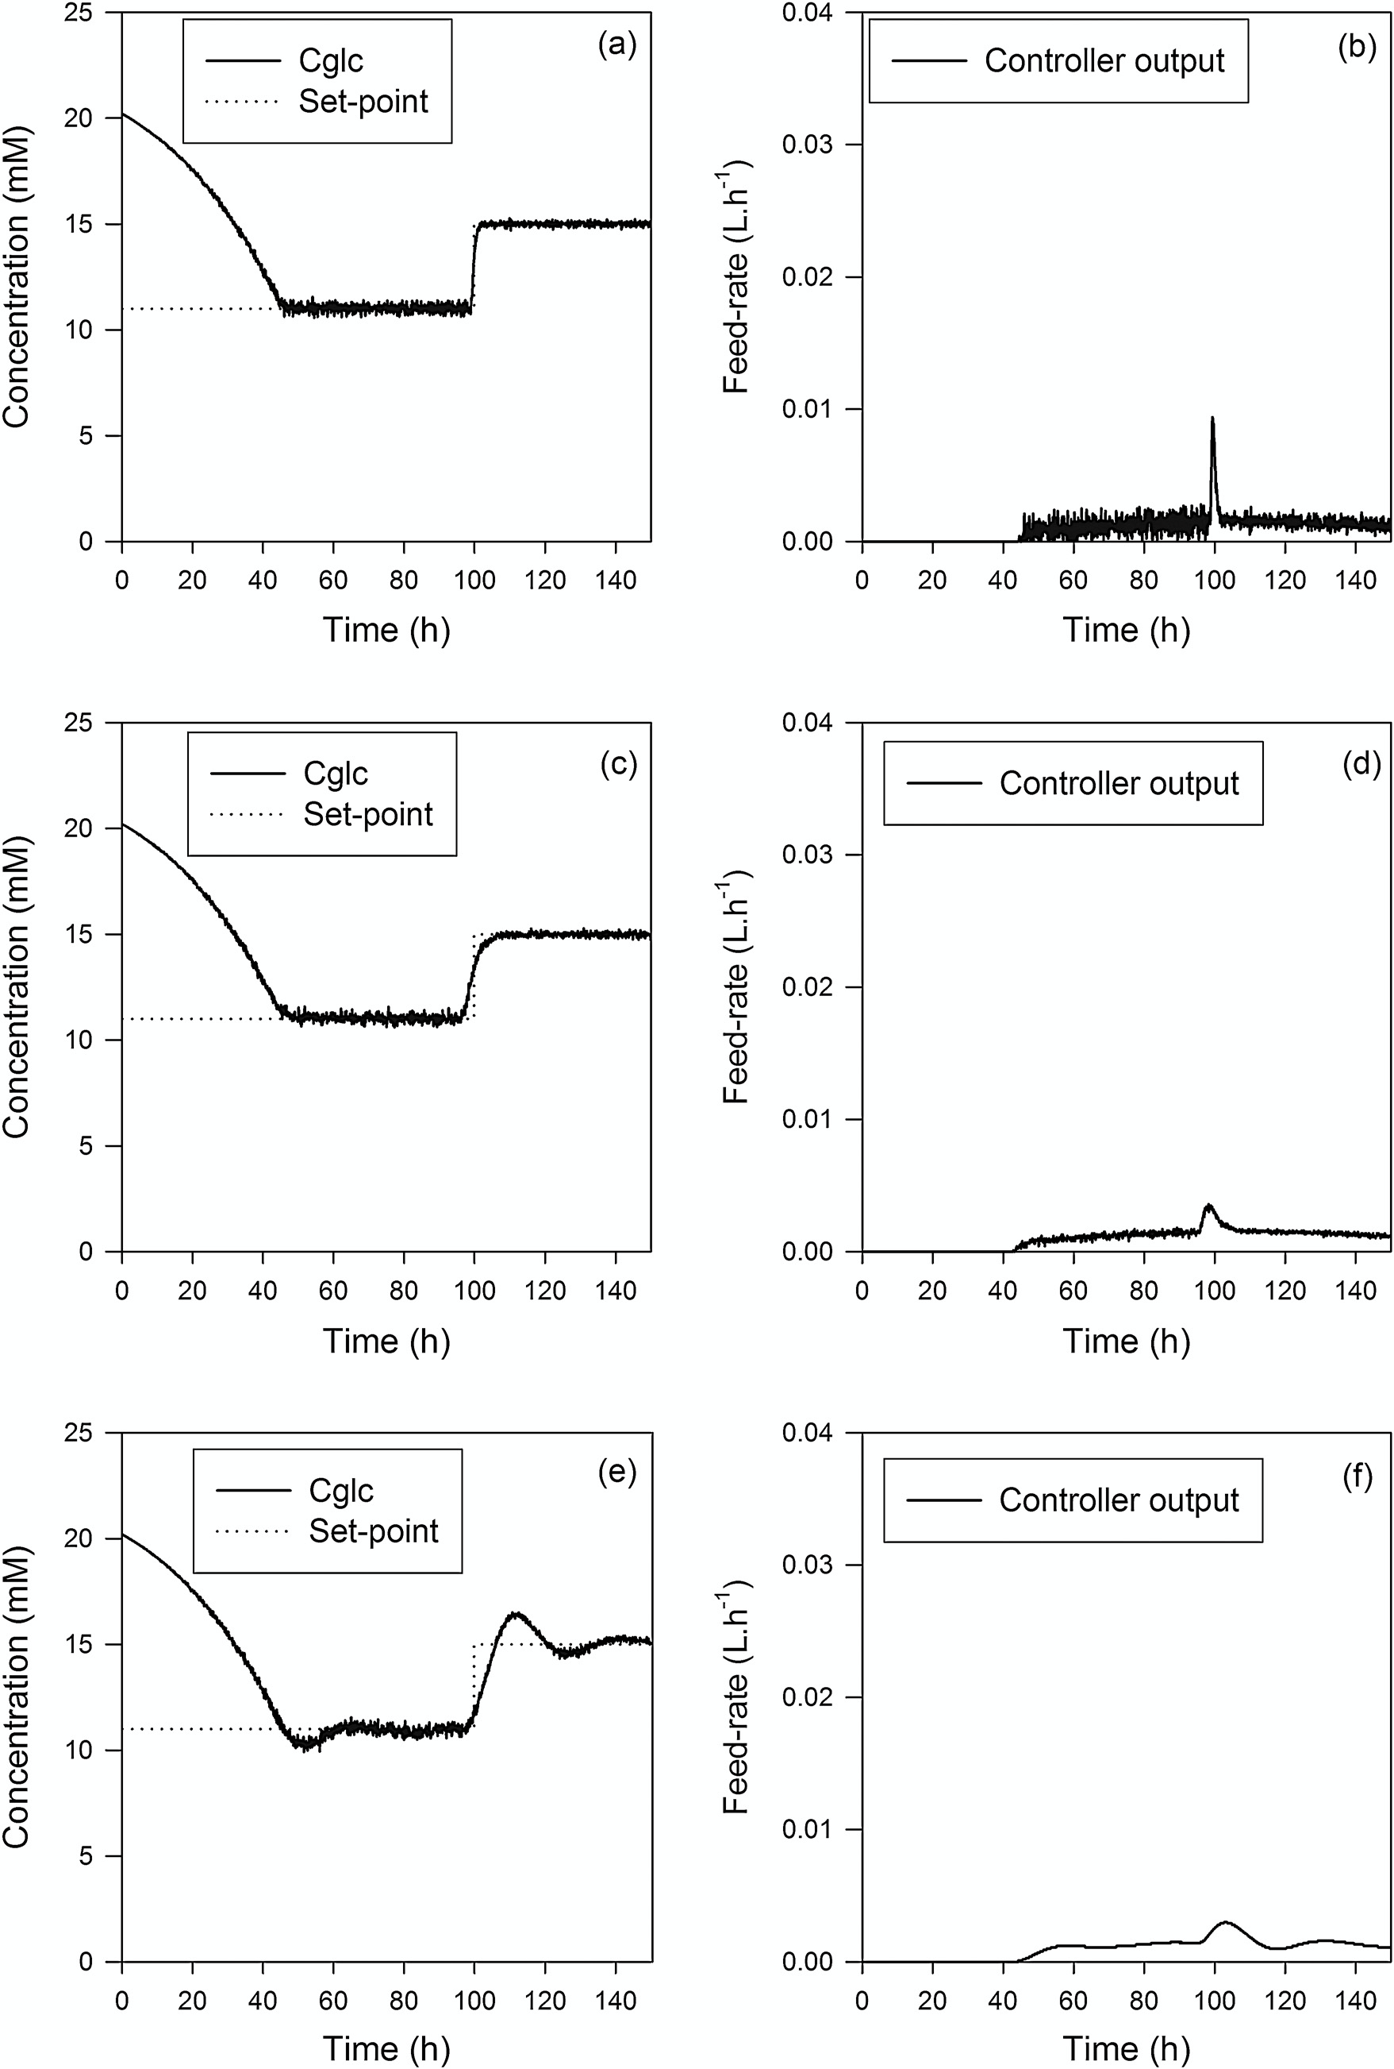
S. Craven et al. / Journal of Process Control 24 (2014) 344–357

350 Fig. 3. Simulated NMPC set-point tracking performance for glucose in the presence of measurement noise and the corresponding controller output (a, b: P = 10, M = 1, " = 1, # = 0; c, d: P = 40, M = 1, " = 1, # = 0; e, f: P = 40, M = 1, " = 1, # = 50,000).

S. Craven et al. / Journal of Process Control 24 (2014) 344–357 351 Table 2 Simulated NMPC performance indices for a 0.1 h measurement interval.

Index |  | NMPC (P = 10, M = 1, " = 1, # = 0) NMPC (P = 40, M = 1, " = 1, # = 0) NMPC (P
ISE |  | 17,303 |  |  |  |  |  |  |  |  |  |  |  |  |  |  |  | 17,372 |  |  |  |  |  |  |  |  |  |  |  |  |  |  | 17,709
ITAE |  | 54,100 |  |  |  |  |  |  |  |  |  |  |  |  |  |  |  | 58,959 |  |  |  |  |  |  |  |  |  |  |  |  |  |  | 84,892
IAE |  | 2665 |  |  |  |  |  |  |  |  |  |  |  |  |  |  |  | 2715 |  |  |  |  |  |  |  |  |  |  |  |  |  |  | 2968
= 40, M = 1, " = 1, # = 50,000)

increase in controller sluggishness and a reduction in CO chattering when tuning the NMPC for optimum controller performance [40]. The simulated NMPC performances were quantified using three dif- ferent indices of performance (Table 2). The NMPC (P = 10, M = 1, " = 1, # = 0) illustrated its optimality in set-point tracking which resulted in the lowest controller performance indices (ISE = 17303, IAE = 54100, ITAE = 2665). However, more chatter was observed in its generated CO. In an attempt to dampen out this observed chat- ter in the control action, sluggishness was introduced to the system response (Fig. 3c and e) which resulted in higher performance indices (Table 2) based on an increase in the error between the process variable and the set-point. 3.2. Real-time NMPC glucose concentration control In the bioprocessing industry, large sample times are common due to the unavailability of on-line PAT techniques for real time monitoring. Off-line instruments such as the Nova-Bioprofile 400 would be more prevalent in an industrial setting for supernatant composition monitoring than an on-line spectroscopic technique due to the workload and expertise associated with building a PLS calibration model for spectral analysis. Due to the slow nature of bioprocess dynamics, traditional lack of on-line PAT instruments and an attempt to test the benefits of the NMPC prediction capabilities in a bioprocess environment, a NMPC sample time of 12 h was used. The Raman spectra were still col- lected at 6 min intervals, however, the NMPC would only operate at each 12 h interval in an attempt to mimic the industrial standard, a bioprocess without the availability of an on-line PAT instrument. The greater the NMPC sample time the more dependent the NMPC performance is on the applicability of the model to the process being controlled. Therefore every effort should be taken to ensure process-model mismatch is minimized. The NMPC performance was simulated before real-time deploy |  |  |  |  |  |  |  |  |  |  |  |  |  |  |  |  |  |  |  |  |  |  |  |  |  |  | effect of erroneous readings from the Raman probe such as sat- urated spectra, the PV was time averaged over 30 min to ensure a representative reading for the NMPC. Fig. 5 illustrates the process model performance for the glucose concentration in real-time in comparison to the on-line Raman readings and the off-line calculations. The applicability of the Raman calibration model is justified as it provides a clear repre- sentation of the real environment (Fig. 5). However, it is evident that mismatch occurred between the on-line plant readings and the model predictions throughout the 15 L NMPC run. This was due to the natural variability in biological systems. Boudreau and McMil- lan [2] stated that a typical bioprocess plant’s coefficient of variation (CV) is approximately 10%, which is significantly higher than that for small molecule chemical processes for pharmaceuticals. Measurement errors are inherent with both the on-line and off- line glucose measurement methods. The off-line estimation of the glucose concentration by the Nova Bioprofile 400 has a typical mea- surement error of 4% which should be considered when analyzing the off-line data [41]. Similarly, the standard error of prediction (SEP) of the on-line Raman PLS calibration model is 1.82 mM [32]. The initial offset between the process readings and the model is due to the absence of a cell density lag phase (0–24 h) in the pro- cess model and thus the cell number in the bioreactor increases at a faster rate, earlier than expected and therefore leads to a higher predicted glucose consumption rate. Discrepancies between the process model and the plant readings were also evident toward the end of the batch when the glucose concentrations from the pro- cess model fell in response to the lower feed-rates from the NMPC. This indicates that the model was over-predicting the rate of glu- cose consumption (Fig. 5) as a result of an under-prediction in the rate of cell death toward the end of the batch (Fig.

from offline measurements or open loop predefined feeding strate- |  |  |  |  |  |  |  |  |  |  |  |  |  |  |  |  |  |  |  |  |  |  |  |  |  |  |  |  |  | NMPC (P = 1, M = 1, |  |  |  |  |  |  | NMPC (P = 1, M = 1,

gies. Classical PID control would not initiate the control action until the PV is below the set-point which can be detrimental to con- troller performance when operating with long sample times which are common in bioprocessing. In order to prevent the negative |  |  |  |  |  |  |  |  |  |  |  |  |  |  |  |  |  |  |  |  |  |  |  |  |  |  | " = 1, # = 0) " = 1, # = 0) IAE 24 33

ISE | 134 |  |  |  |  |  |  |  |  |  |  |  | 165
ITAE | 476 |  |  |  |  |  |  |  |  |  |  |  | 1336
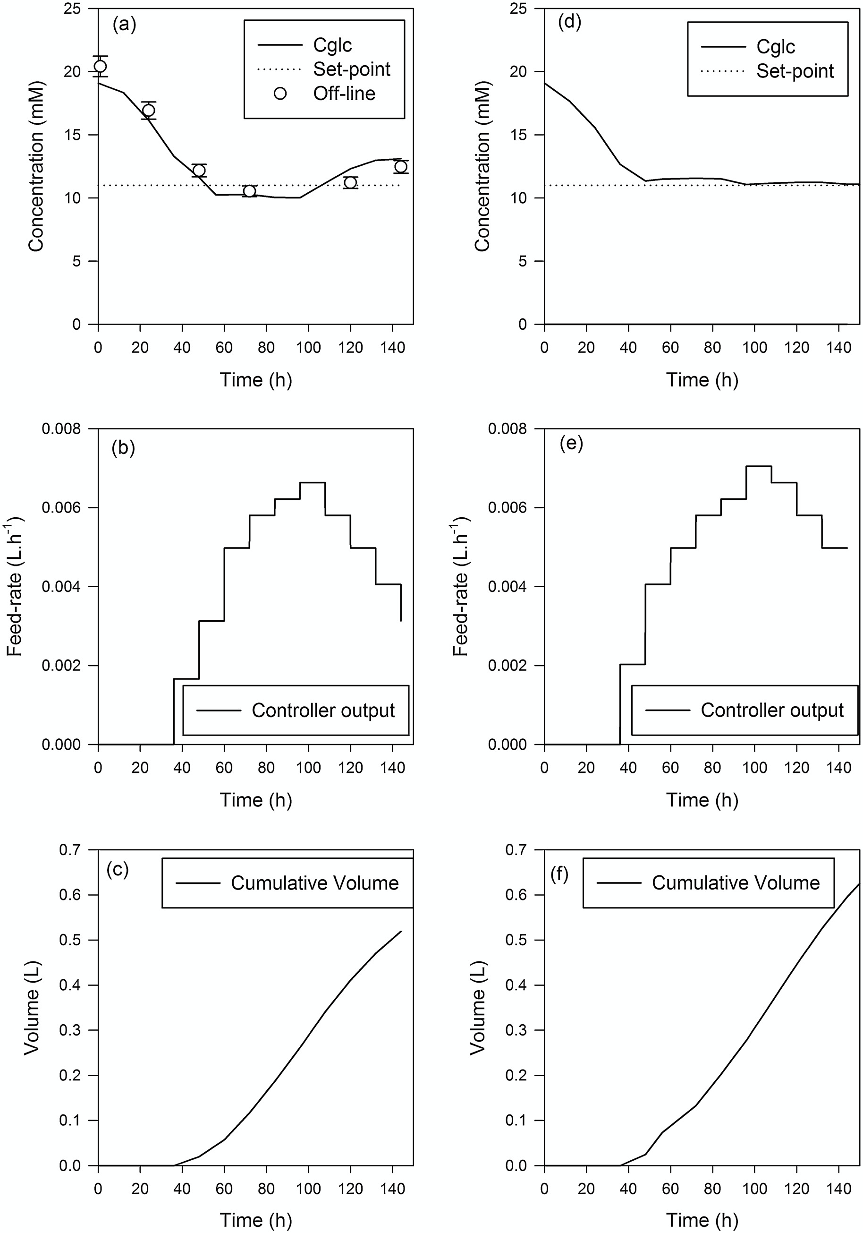
S. Craven et al. / Journal of Process Control 24 (2014) 344–357

352 Fig. 4. NMPC fixed set-point tracking performance for (a = real, d = simulated) glucose, (b = real, e = simulated) the corresponding controller output and (c = real, f = simulated) cumulative feed volumes for a 15 L fed-batch bioprocess with a 12 h measurement interval. Error bars represent the standard deviation of the off-line reference method.

S. Craven et al. / Journal of Process Control 24 (2014) 344–357 353
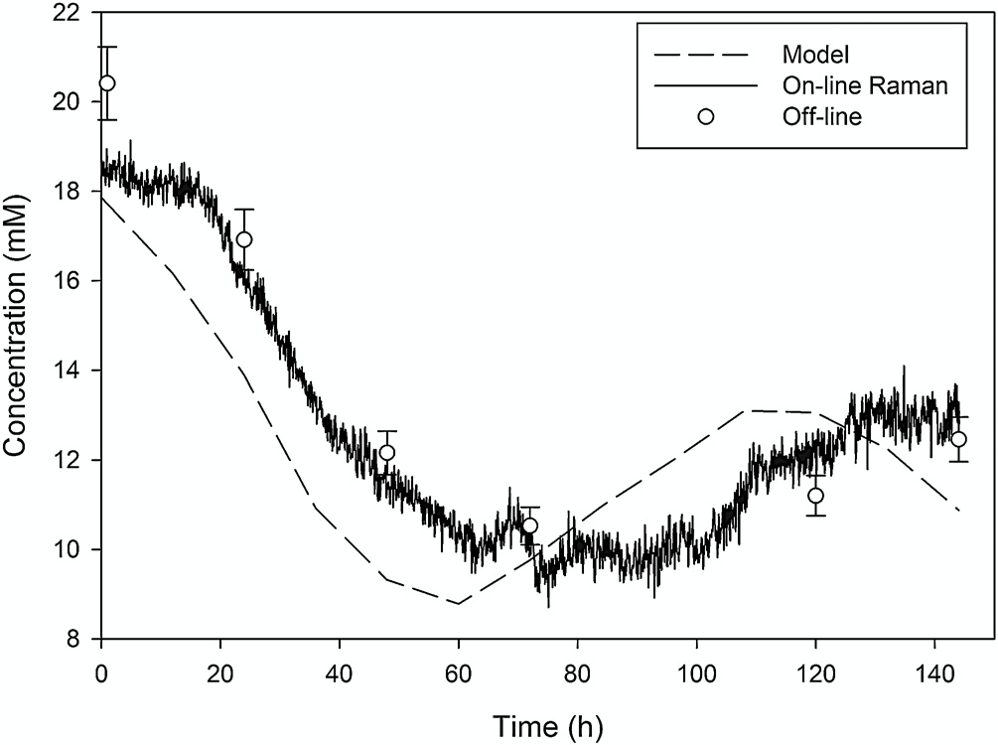 |  |  |  |  |  |  |  |  |  |  |  |  |  |  |  |  |  |  |  |  |  |  |  |  |  |  | Table 4 Sub-optimal model parameters. qi a mmol cell−1 h−1 3.5 × 10−10 a Fitted model parameter. b Experimentally determined model parameter. NMPC system in the presence of process-model mismatch. It is also known from robustness analysis studies using perturbation the- ory that increasing M increases the controller performance [42]. However, increasing the control horizon leads to increased com- putational load. Therefore, a balance needs to be met between controller robustness, performance and computational load. The time required to solve the NMPC optimization algorithm was approximately 2 min. However, there were no convergence issues due to the sample time being longer (6 min). The diagonal ele- ments of the output weight matrix (" ) were set at 1 due to the ‘single input – single output’ (SISO) nature of the NMPC. The diagonal elements of the input weight matrix (#) were set a value of 60 to help limit erratic control action movements in response to measurement noise. Finally, the feed-rate was con- strained as before and no output magnitude constraints were imposed for the glucose concentration. Fig. 7 presents the real- time and corresponding simulation control results for the NMPC (P = 40, M = 2, # = 60, " = 1) 15 L pilot scale fed-batch bioprocess. The NMPC performance was simulated with zero process-model mismatch. The NMPC closed loop fixed set-point tracking on the 15 L biore- actor was initially hampered with the occurrence of non-modeled pump operational difficulties between 35 and 45 h and between 58 and 60 h (Fig. 7a). This was caused by a blockage in the feed bot- tle vent line which prevented the pump delivering the calculated feed volumes. Therefore, the on-line Raman glucose concentration readings dropped despite the NMPC calculating increased feed- rates (Fig. 7b) to combat the observed
Fig. 5. 15 L NMPC (12 h) glucose concentration process model, off-line data and on-line Raman measurements. Error bars represent the standard deviation of the off-line reference method. the batch. An iC Raman auto-calibration also occurred at 72 h into the batch which had a noticeable effect on the Raman outputs (Fig. 6). Overall, the off-line data compared well to the process model predictions for all substrates and metabolites apart from lactate. The off-set between the lactate off-line data and the model pre- dictions was a function of the lactate model being initialized with non-representative on-line lactate Raman readings. With the availability of more experimental data, the process model can be further refined to better represent the process to be controlled and improve NMPC performance for closed loop fixed set-point tracking of the glucose concentration within the bioreac- tor. NMPC proved to be successful for this 140 h fed-batch biopro- cess which illustrated the long measurement intervals, changing process dynamics and inherent process variation associated with biological systems. With the availability of an appropriate biopro- cess model, this advanced control strategy eliminated the labor intensive nature of manual control prevalent in the bioprocess industry. 3.3. Process-model mismatch, process disturbances and measurement noise Real-time NMPC applications will inevitably experience plant- model mismatch. It is nearly impossible to create the perfect bioprocess model especially due to their inherent variability. In an attempt to analyze NMPC performance in the presence of process-model mismatch, the bioprocess model parameters relat- ing to nutrient consumption were deliberately altered to cause mismatch in the process model glucose consumption (Table 4). The controller sampling interval was reduced from 12 h to 0.1 h to aid the feedback correction in the presence of process- model mismatch. Measurement noise from the on-

Parameter |  |  |  |  |  | Unit |  |  |  |  |  |  |  |  |  |  |  |  |  | Value
kd,Q a |  |  |  |  |  | h−1 |  |  |  |  |  |  |  |  |  |  |  |  |  | 0.001
mG a |  |  |  |  |  | mmol cell−1 h−1 |  |  |  |  |  |  |  |  |  |  |  |  |  | 8.0 × 10−13
YA,Q b |  |  |  |  |  | – |  |  |  |  |  |  |  |  |  |  |  |  |  | 1.10
YL,G b |  |  |  |  |  | – |  |  |  |  |  |  |  |  |  |  |  |  |  | 4.0
YX,G b |  |  |  |  |  | cells mmol−1 |  |  |  |  |  |  |  |  |  |  |  |  |  | 1.50 × 108
YX,Q b |  |  |  |  |  | cells mmol−1 |  |  |  |  |  |  |  |  |  |  |  |  |  | 1.9 × 109
KL a |  |  |  |  |  | mM |  |  |  |  |  |  |  |  |  |  |  |  |  | 150
KA a |  |  |  |  |  | mM |  |  |  |  |  |  |  |  |  |  |  |  |  | 40
kd,maxb |  |  |  |  |  | h−1 |  |  |  |  |  |  |  |  |  |  |  |  |  | 0.01
!maxb |  |  |  |  |  | h−1 |  |  |  |  |  |  |  |  |  |  |  |  |  | 0.048
KG a |  |  |  |  |  | mM |  |  |  |  |  |  |  |  |  |  |  |  |  | 1.0
KQ a |  |  |  |  |  | mM |  |  |  |  |  |  |  |  |  |  |  |  |  | 0.22
mQ a |  |  |  |  |  | mmol cell−1 h−1 |  |  |  |  |  |  |  |  |  |  |  |  |  | 0
k(!a |  |  |  |  |  | h−1 |  |  |  |  |  |  |  |  |  |  |  |  |  | 0.01
KLYSISa |  |  |  |  |  | h−1 |  |  |  |  |  |  |  |  |  |  |  |  |  | 0
Ci* a |  |  |  |  |  | mM |  |  |  |  |  |  |  |  |  |  |  |  |  | 100
354
S. Craven et al. / Journal of Process Control 24 (2014) 344–357
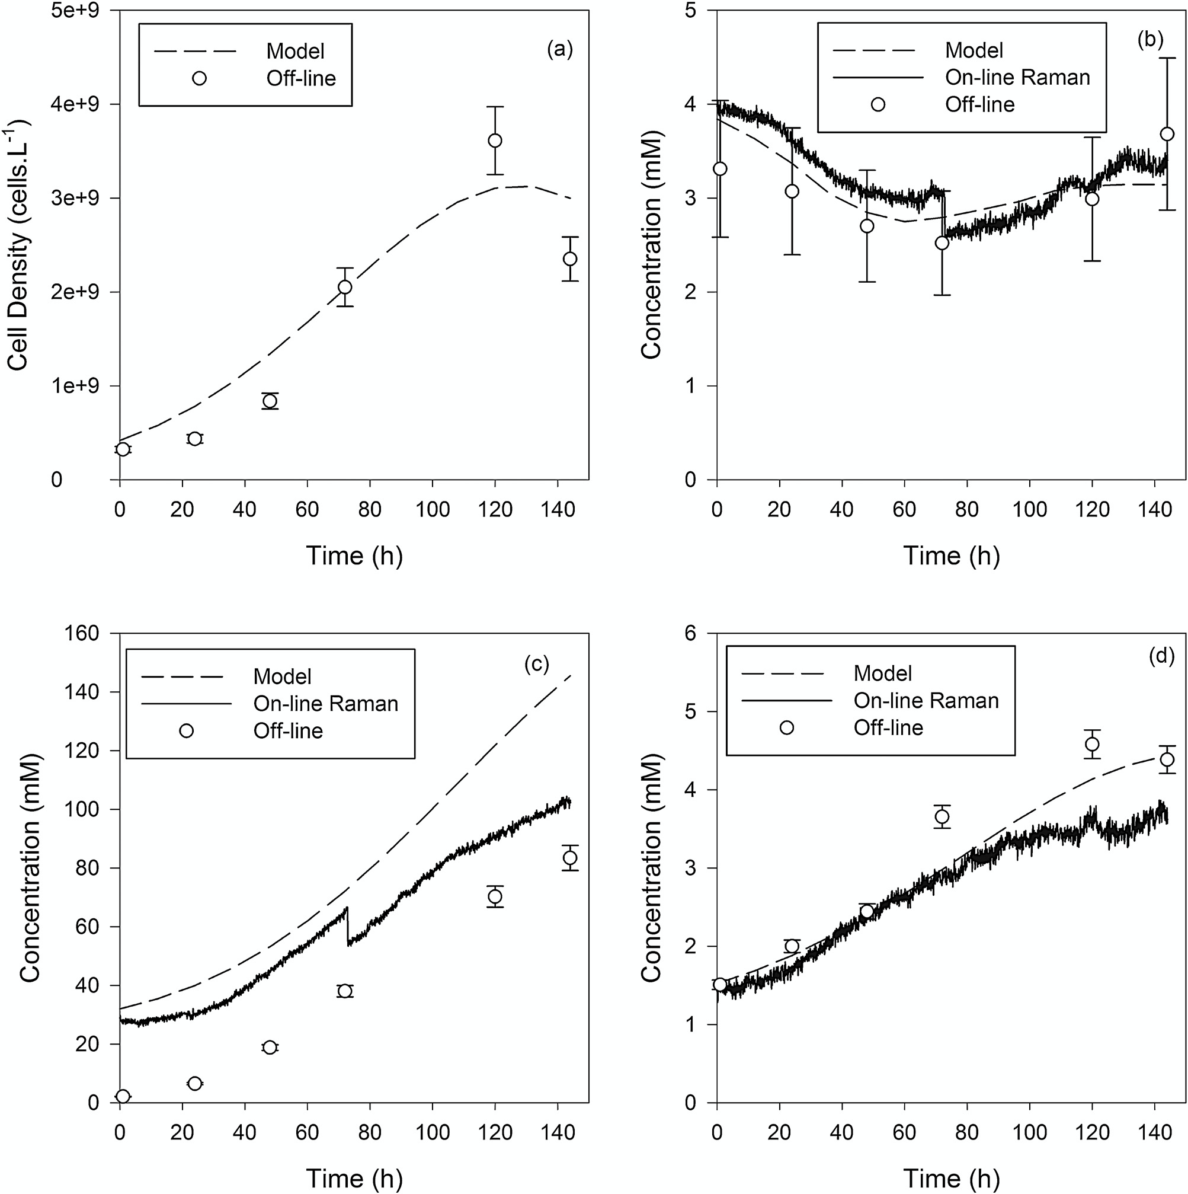

Fig. 6. 15 L NMPC (12 h) real-time (a) viable cell density, (b) glutamine, (c) lactate and (d) ammonia model. Error bars represent the standard deviation of the off-line reference method.
consistent undershoot of approximately 1 mM from the defined set-point (Fig. 7a). However, this result would be acceptable for bioprocess nutrient concentration control. However, when operat- ing under longer sample intervals performance degradation would increase due to the infrequency of the feed-back corrective action. The simulated and real-time controller performances are quan- tified in Table 5. The ISE and IAE values were larger for the simulated NMPC due to the fact the modeled glucose consump- tion rate differed from the real process and as a result it took |  |  |  |  |  |  |  |  |  |  |  |  |  |  |  |  |  |  |  |  |  |  |  |  |  |  | Process-model mismatch is inevitable but all efforts should be taken to ensure its presence is minimized by building robust pro- cess models and ensuring real-time plant data is accurate and representative of the true behavior of the plant. Table 5 NMPC performance indices with a 0.1 h measurement interval and mismatch. Index Simulation Real

slightly longer for the PV to initially reach the defined set-point of 11 mM (Fig. 7b). However the ITAE is a more appropriate mea- |  |  |  |  |  |  |  |  |  |  |  |  |  |  |  |  |  |  |  |  |  |  |  |  |  |  |  | NMPC (P = 40, M = 2, " = 1, # = 60) |  |  |  |  |  |  |  |  | NMPC (P = 40, M = 2, " = 1, # = 60)

sure of controller performance. Non-modeled disturbances and sub-optimal model performance led to a higher ITAE in the real environment. |  |  |  |  |  |  |  |  |  |  |  |  |  |  |  |  |  |  |  |  |  |  |  |  |  |  |  | ISE 10,072 7839 ITAE 72,206 89,963 IAE 2312 2253

S. Craven et al. / Journal of Process Control 24 (2014) 344–357
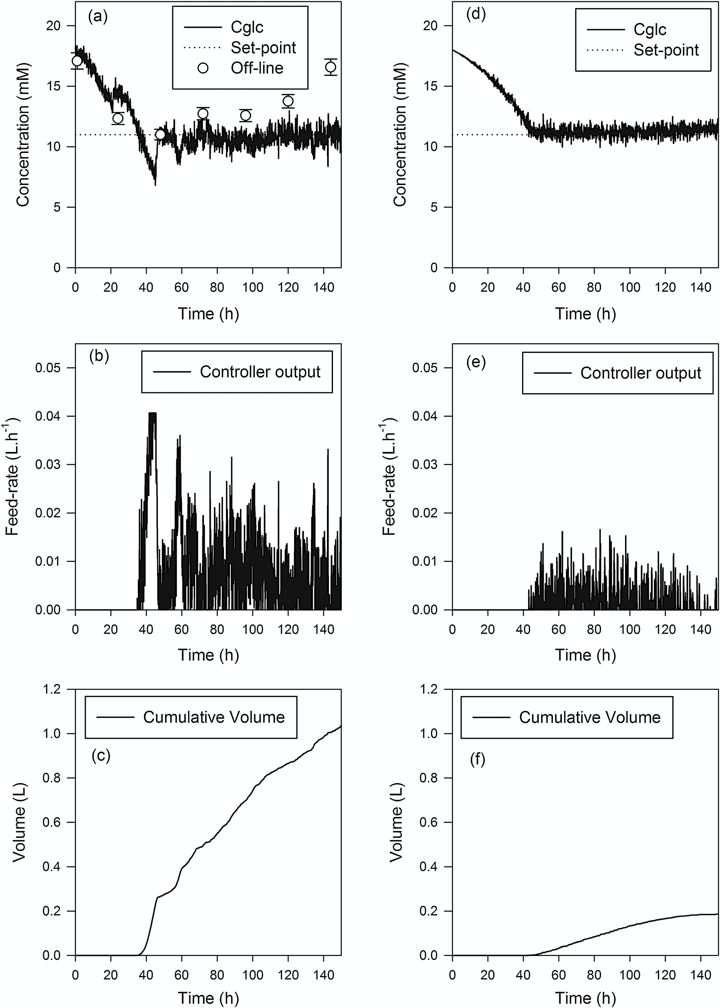

355 Fig. 7. NMPC fixed set-point tracking performance with process-model mismatch for (a = real, d = simulated) glucose, (b = real, e = simulated) the corresponding controller output and (c = real, f = simulated) cumulative feed volumes for a 15 L fed-batch bioprocess with a 0.1 h measurement interval. Error bars represent the standard deviation of the off-line reference method.

356
S. Craven et al. / Journal of Process Control 24 (2014) 344–357
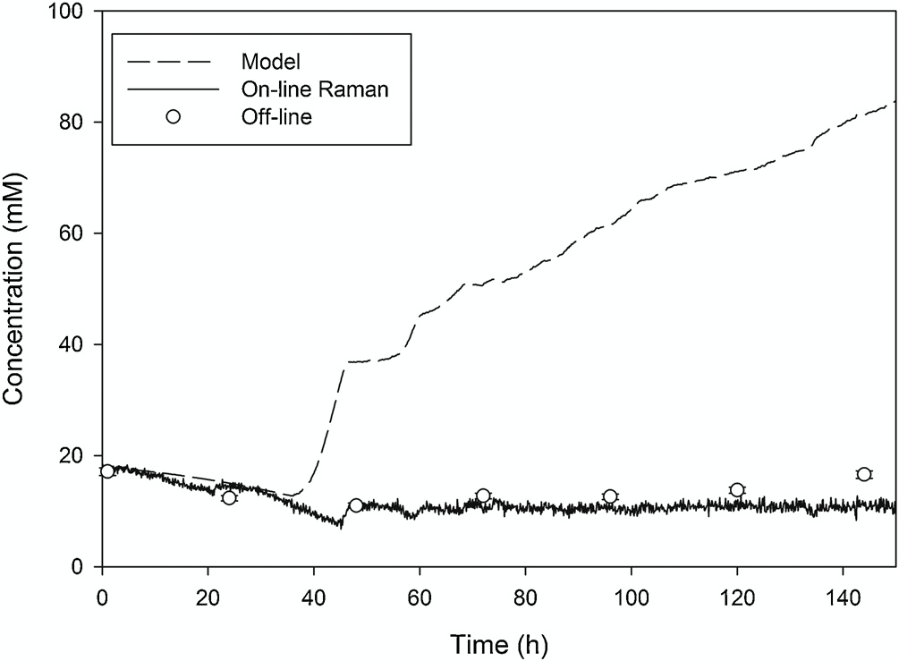
Fig. 8. 15 L NMPC (0.1 h) glucose concentration process model, off-line data and on-line Raman measurements. Error bars represent the standard deviation of the off-line reference method. 4. Conclusions Process control of bioprocesses presents significant problems in comparison to small molecule chemical processes for pharmaceut- icals. Nonlinear model predictive control (NMPC) was successful in controlling the bioprocess environment with associated negative attributes such as high process variability, measurement noise and long measurement intervals. The bioprocess was equipped with an on-line Raman spectroscopic probe. Utilization of such PAT tech- niques leads to an increase in the measurement frequency of the CPPs which are traditionally measured infrequently at- or off-line in the biopharmaceutical industry. Offline simulation studies of controller performance before real- time application provided a platform to understand and potentially optimally tune a NMPC to avoid the difficulties associated in con- trolling a bioprocess environment. The main real-time implementation difficulties experienced with NMPC was process-model mismatch. The unavailability of representative experimental data to build a robust valid pro- cess model can have major implications for NMPC performance. The high variability associated with bioprocesses also leads to an augmentation of this problem. In a bioprocess environment where long measurement times are prevalent; more emphasis is applied to the NMPC prediction capabilities. In the presence of long controller measurement intervals, and the availability of an appropriate process model, NMPC provided satisfactory con- troller performance. Therefore, NMPC with the availability of an appropriate bioprocess model has the potential to allow the biopharmaceutical industry to optimize their bioreactor feeding strategies based on the norm of infrequent at-line process variable measurements. In a PAT driven process, where |  |  |  |  |  |  |  |  |  |  |  |  |  |  |  |  |  |  |  |  |  |  |  |  |  |  | process-model mismatch, process disturbances, high measure- ment noise and long process variable measurement intervals. In conclusion, NMPC is a promising technology for the optimal control of bioprocesses. Acknowledgement This work was carried out as part of the ‘Bio Application of PAT (apPAT)’ project, an Enterprise Ireland funded Industry Led Research Project. References [1] G. Walsh, Biopharmaceutical benchmarks 2010, Nat. Biotechnol. 28 (9) (2010) 917–924. [2] M. Boudreau, G. McMillan, New Directions in Bioprocess Modeling and Con- trol: Maximising Process Analytical Technology Benefits, ISA, Research Triangle Park, NC, 2006. [3] A. Gambhir, Alteration of cellular metabolism by consecutive fed-batch cultures of mammalian cells, J. Biosci. Bioeng. 87 (1999) 805–810. [4] K. Wlaschin, W.-S. Hu, Fedbatch culture and dynamic nutrient feeding, Adv. Biochem. Eng. Biotechnol. 101 (2006) 43–74. [5] L. Xie, D.I. Wang, Fed-batch cultivation of animal cells using different medium design concepts and feeding strategies, Biotechnol. Bioeng. 43 (11) (1994) 1175–1189. [6] L. Xie, D.I. Wang, Applications of improved stoichiometric model in medium design and fed-batch cultivation of animal cells in bioreactor, Cytotechnology 15 (1994) 17–29. [7] J.A. Lopes, P.F. Costa, T.P. Alves, J.C. Menezes, Chemometrics in bioprocess engi- neering: process analytical technology (PAT) applications, Chemometr. Intell. Lab. 74 (2) (2004) 269–275. [8] F. Lu, P. Choo Toh, I. Burmett, F. Li, T. Hudson, A. Amanullah, J. Li, Automated dynamic fed-batch process and media optimization for high productiv- ity cell culture process development, Biotechnol. Bioeng. 110 (1) (2013) 191–205. [9] Y. Lee, Low-glutamine fed-batch cultures of 293-HEK serum-free suspension cells for adenovirus production, Biotechnol. Prog. 19 (2003) 501–509. [10] L. Li, Increasing the culture efficiency of hybridoma cells by the use of integrated metabolic cont

S. Craven et al. / Journal of Process Control 24 (2014) 344–357 357
[27] L. Magni, D.M. Raimondo, F. Allgower, Nonlinear Model Predictive Control. Towards New Challenging Applications, Lecture Notes in Control and Infor- mation Sciences, vol. 384, Springer-Verlag, Berlin/Heidelberg, 2009. [28] B. Kouvaritatis, M. Cannon, Nonlinear Model Predictive Control: Theory and Practice, vol. 61, Institution of Electrical Engineers, 2001. [29] B.W. Bequette, Non-linear model predictive control: a personal retrospective, Can. J. Chem. Eng. 85 (4) (2007) 408–415. [30] M.J. Tenny, J.B. Rawlings, S.J. Wright, Closed loop behaviour of nonlinear model predictive control, AIChE J. 50 (9) (2004) 2142–2154. [31] Z. Nagy, R. Findeisen, M. Diehl, F. Allgower, H.G. Bock, S. Agachi, J.P. Schloder, D. Leineweber, Real-time feasibility of nonlinear predictive control for large scale processes—a case study, in: Proc. of ACC, Chicago, IL, 2000. [32] J. Whelan, S. Craven, B. Glennon, In-situ Raman spectroscopy for simultaneous monitoring of multiple process parameters in mammalian cell culture biore- actors, Biotechnol. Progr. 28 (5) (2012) 1355–1362. [33] M. Buehren, Matlab Central File Exchange. February 3, 2008, Available at http://www.mathworks.com/matlabcentral/fileexchange/18593-differential- evolution [34] S. Craven, N. Shirsat, J. Whelan, B. Glennon, Modeling a mammalian cell bio- process for different operation modes and bioreactor scales, Biotechnol. Progr. 29 (1) (2013) 186–196. |  |  |  |  |  |  |  |  |  |  |  |  |  |  |  |  |  |  |  |  |  |  |  |  |  |  | [35] C.R. Cutler, B.L. Ramaker, Dynamic matrix control—a computer control algo- rithm, in: Proc. of the Joint Automatic Control Conference, 1980. [36] P.T. Boggs, J.W. Tolle, Sequential quadratic programming for large scale non- linear optimization, J. Comput. Appl. Math. 124 (2000) 123–137. [37] L.T. Biegler, I.E. Grossmann, A.W. Westerberg, Systematic Methods of Chemical Process Design, Prentice Hall, Upper Saddle River, NJ, 1997. [38] M. Diehl, R. Findeisen, S. Schwarzkopf, I. Uslu, F. Allgower, H.G. Bock, E.D. Gilles, J.P. Schloder, An efficient algorithm for nonlinear model predictive control of large-scale systems. Part 1: Description of the method, At- Automatisierungstechnik 50 (12) (2002) 557–567. [39] E. Zafiriou, A. Marchal, Stability of SISO quadratic dynamic matrix control with hard output constraints, AIChE J. 37 (1991) 1550–1560. [40] D. Nagrath, V. Prasad, B.W. Bequette, Model Predictive Control of Open- Loop Unstable Cascade Systems, American Control Conference, Chicago, IL, 2000. [41] N.R. Abu-Absi, B.M. Kenty, M.E. Cuellar, M.C. Borys, S. Sakhamuri, D.J. Strachan, M.C. Hausladen, Z.J. Li, Real-time monitoring of multiple parameters in mam- malian cell culture bioreactors using an in-line Raman spectroscopy probe, Biotechnol. Bioeng. 108 (5) (2001) 1215–1221. [42] K.Z. Qi, D.G. Fisher, Robust stability of model predictive control, in: Proc. of the American Control Conference, Baltimore, MD, 1994, pp. 3258–3262.

